Zakaat Calculator
About Us
Zakaat Calculator
Instructions
About Zakaat
Nissaab
Notes
 | Solidarity & Human Development Co. Ltd

Gold
Silver
Money
Currency
Shares`
Investment
Savings
Receivables
Business
Livestock
(-) Liabilities
Summary

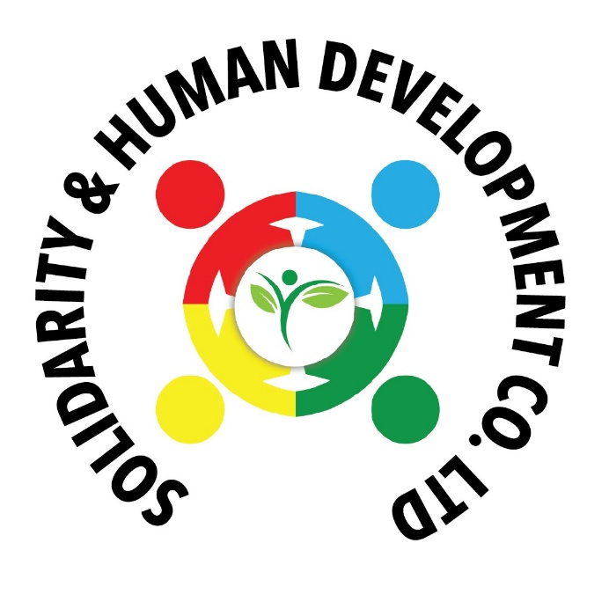
 |  |  | About Our Organisation
 |  |  | The overall objectives of the Solidarity & Human Development Co. Ltd are to act as a facilitator for the collection of social and welfare funds and their distribution effectively and efficiently in relieving poverty in the Indian Ocean region. The objects for which the Company are not restricted to but may include anyone, some, or all, of the following:

 |  |  | 1. To collect Zakaat and other Islamic social funds, donations, CSR for distribution to the poor and needy in the Indian Ocean region
 |  |  | 2. To provide food and shelter to the poor and needy in the Indian Ocean region.
 |  |  | 3. To cater for the training and educational development of the poor and needy in the Indian Ocean region.
 |  |  | 4. To use Zakaat and other Islamic social funds to build sustainable projects for the poor and needy in the Indian Ocean region.
 |  |  | 5. To promote Waqf projects (water wells, musjids, educational institutions, and other welfare projects) to benefit the poor and needy in the
 |  |  | Indian Ocean region.
 |  |  | 6. To raise funds and provide relief for international natural disasters.

 |  |  | And generally, do all such other things as are incidental or connected with any of the above objects, or conducive to the attainment thereof.

Banking Details |  |  | Our Regular Activities
The Mauritius Commercial Bank Ltd |  |  | 1. Madagascar
Account Number: 000 442 844 468
Swift Code: MCBLMUMU
 |  |  | a. Monthly Sadaqah | b. Haqeeqa | c. Fidya | d. Qurbani
 |  |  | (Sacrifice of Goat & Mutton for distribution | (Birth of Children) | (Compensation for not fasting)
Contact Person |  |  | to the poor, needy & Orphans)
Dr Najmul Hussein Rassool
Mobile: +230 57742641 |  |  | e. Zakaat Collection & Distribution | f. Lillah | g. Water Well | h. Relief
Email: rassoolnajmulhussein@gmail.com |  |  |  | (In the cause of Allah)

 |  |  | i. Sadaqah Jaariyah | j. Medical Assistance | k. Self Empowerment Project
Dr Najmul Hussein Rassool - Brief Profile |  |  | (Perpetual charity that continues
 |  | Freelance Business Management / Islamic Finance Consultant. CEO of International Islamic Finance Services Ltd. | after a person's death)

 |  |  | 2. Comoros

1. PhD in Islamic Banking & finance with Al Madinah International University, Malaysia. 2. Certified Shariah Adviser & Auditor (CSAA) from AAOIFI, Bahrain. 3. Chartered Islamic Finance Professional (CIFP) from INCEIF, Bank Negara, Malaysia. 4. Certified Islamic Professional Accountant (CIPA) from AAOIFI, Bahrain. 5. MBA in Finance from University of Witwatersrand, South Africa
 |  |  | a. Zakaat Collection & Distribution | b. Self Empowerment Project

 |  |  | 3. Mauritius & Overseas

 |  |  | a. Zakaat Collection & Distribution | b. Self Empowerment Project | c. Medical Assistance | d. Relief

 |  |  | Acknowledgement
 |  |  | My sincere thanks to Br. Hisham Rojoa, Managing Director of Storm Edge Limited, a software development and consultancy company, for his precious assistance
 |  |  | in developing this Zakaat Calculator.
 |  |  | Special thanks to Br. Ziyad Peerbaye from Excelit Co Ltd for his help in developing this Zakaat Calculator on Microsoft Excel.

The Zakaat Calculator
- This calculator has been adapted from the South African National Zakah Fund (SANZAF) zakaat calculator that was available at one time on line and has been modified to include
new features that will assit us in our zakaat calculation.

- The notes accompaning this calculator have been extracted from various books, guides, presentations and notes on zakaat written by local and international Shariah scholars.

- The notes accompanying this zakaat calculator includes the different opinions of the schools of thought (Mazhab) and does not prescibe any particular school of thought.

- This zakaat calculator provides detailed information on various sources of wealth and their basis of calculation.

- This zakaat calculator aims to facilitate the calculation of zakaat for muslims in general and in particular, businessmen, professionals, and entrepreneurs of different industries in Mauritius and worldwide.

- This calculator is a humble contribution to facilitate the calculation of zakaat. It is not an end in itself. There is room for improvement. Any suggestions and comments are most welcomed.

- This zakaat calculator is the property of Solidarity & Human Development Co. Ltd of Mauritius. It is protected and cannot be modified except by the administrator. However, provisions
have been made to include items not listed on the different sheets.

- Zakaat organisations in and outside Mauritius that wish to customise this calculator to suit their needs may contact us.

Instructions
Please read the following instructions before using the zakaat calculator

- Make intention (niyyah) to calculate zakaat to the best of our ability and knowledge and ask Allah to forgive us for any shortcomings in our calculation.

- Zakaat is an Ibadat and individual liability. Each individual family member has to calculate his zakaat separately.

- It is permissible for a person to pay zakaat on behalf of another person (ex. father for his children).

How to fill the form?
- Go to the Nissaab section on top of the left hand side of the calculator and scroll down to item 5 showing how to calculate your Nissab. Choose the basis of Nissaab - Gold or Silver by clicking on the white space provided. Choose either Silver or Gold.

- Choose from the different tabs above (Gold, Silver etc) items that you have. Enter the details of each Zakatable element. The summary sheet at the end will give you the final results only.

- It is very important to read the accompanying notes before using the calculator

About Zakaat

1. What is zakaat?
- In the arabic language zakaat means purification, growth, blessing, betterment.
- In the Shariah (Islamic Law) Zakaat is an obligation of giving a specific portion of a person's wealth every lunar year.
- Both the Quran and the Hadiths stressed on the importance of zakaat in Islam.
- Zakaat is an ibaadah and the third pillar of Islam.
- In the Quran the word Zakaat is mentioned 30 times and on 27 occasions it is linked to the word Swalat (prayer) in the same verse.

2. Who is liable to give zakaat ?
a. Muslims of sound mind.
b. Free (not enslaved).
c. In control of their own wealth.
d. Wealth is equivalent to or exceeds Nissaab (refer to section on Nissaab).
e. A full year has passed over the zakatable assets. This condition is applicable only to liquid assets, business and livestock.
f. For agricultural products and extraction of minerals and resources, the one year condition does not apply. It is considered at the time of harvest or upon discovery.

3. Zakaat valuation date
- A muslim must maintain and record a Zakaat valuation date to which he shall adhere and calculate his zakaat each year.
- Observing the Zakaat valuation date each year satisfies the condition of one year over the zakatable assets.
- This valuation date may not be necessarily in Ramadan. It can be at any time during the year. (refer to the section on Nisaab).
- Any fluctuation in zakatable assets during the year is to be ignored.

4. Is a child who owns wealth liable for Zakaat?
- The Hanafee mazhab imposes the following conditions:
i. If the child is an adolescent and has wealth equal to or exceeding the nissaab, it is obligatory.
ii. The adolescent must be normal and have mental capacity.
iii. All other conditions mentioned above equally applies.
- The other mazhabs are of opinion that a child (whether adolescent or not) who has zakatable assets is liable to give zakaat

5. Zakaat on Gold jewellery
- According to the Hanafee mazhab all types of gold jewellery are liable to zakaat whether worn or not.
...

